Step 1.2
IC vs. VCC of a Crrent Sink
VCC | IC | VE | Ro
Volts | Amps | Volts | Ohm
-3.9 | 0.00010825051997 | -3.9834196008 | 7.58E+03
-3.6 | 0.00014781727763 | -3.728966816 | 9.67E+03
-3.3 | 0.00017883443108 | -3.5292627538 | 5.02E+04
-3 | 0.00018480663033 | -3.4907926511 | 7.70E+06
-2.7 | 0.00018484558252 | -3.4905411556 | 4.94E+07
-2.4 | 0.00018485165441 | -3.4904970844 | 7.60E+07
-2.1 | 0.00018485559923 | -3.4904692231 | 7.61E+07
-1.8 | 0.00018485954303 | -3.4904414349 | 7.63E+07
-1.5 | 0.00018486347701 | -3.4904136673 | 7.63E+07
-1.2 | 0.00018486741056 | -3.4903859157 | 7.64E+07
-0.9 | 0.00018487133567 | -3.4903581741 | 7.62E+07
-0.6 | 0.00018487527068 | -3.4903304513

Step 1.6
V-sweep | v(vo) | i(cp_q2.1)
Volts | Volts | Amps
4.39 | 4.9403746335 | -0.00018494750647
4.3901 | 4.9399538152 | -0.00018494750118
4.3902 | 4.9395337064 | -0.00018494749908
4.3903 | 4.9391114668 | -0.00018494749392
4.3904 | 4.9386847639 | -0.00018494749173
4.3905 | 4.9382535156 | -0.00018494748334
4.3906 | 4.9378176225 | -0.00018494747962
4.3907 | 4.9373769965 | -0.00018494747306
4.3908 | 4.936931535 | -0.00018494747104
4.3909 | 4.9364811546 | -0.00018494745288
4.391 | 4.9360257247 | -0.00018494745292
4.3911 | 4.9355651608 | -0.00018494744437
4.3912 | 4.9350993434 | -0.00018494743941
4.3913 | 4.9346281674 | -0.00018494742844
4.3914 | 4.9341515011 | -0.00018494742911
4.3915 | 4.9336692419 | -0.00018494742031
4.3916 | 4.9331812556 | -0.00018494741337
4.3917 | 4.9326874149 | -0.00018494740654
4.3918 | 4.932187583 | -0.00018494740376
4.3919 | 4.9316816266 | -0.00018494740032
4.392 | 4.9311694047 | -0.00018494739454
4.3921 | 4.9306507699 | -0.00018494738641
4.3922 | 4.9301255663 | -0.00018494737939
4.3923 | 4.9295936396 | -0.00018494736956
4.3924 | 4.9290548178 | -0.00018494736514
4.3925 | 4.9285089388 | -0.00018494735795
4.3926 | 4.9279558254 | -0.0001849473492
4.3927 | 4.9273952889 | -0.0001849473444
4.3928 | 4.9268271499 | -0.00018494733322
4.3929 | 4.9262512031 | -0.00018494732371
4.393 | 4.9256672485 | -0.00018494731102
4.3931 | 4.9250750545 | -0.00018494731218
4.3932 | 4.9244744264 | -0.00018494730228
4.3933 | 4.9238651189 | -0.00018494729455
4.3934 | 4.9232468996 | -0.00018494728215
4.3935 | 4.9226194995 | -0.0001849472812
4.3936 | 4.9219826841 | -0.00018494726867
4.3937 | 4.9213361613 | -0.00018494726176
4.3938 | 4.9206796492 | -0.00018494725826
4.3939 | 4.9200128654 | -0.00018494724635
4.394 | 4.9193354853 | -0.0001849472379
4.3941 | 4.9186471856 | -0.0001849472319
4.3942 | 4.9179476351 | -0.00018494722184
4.3943 | 4.9172364782 | -0.00018494720823
4.3944 | 4.9165133332 | -0.00018494719798
4.3945 | 4.9157778112 | -0.00018494718967
4.3946 | 4.9150295106 | -0.00018494717736
4.3947 | 4.9142679891 | -0.00018494716942
4.3948 | 4.9134928024 | -0.00018494715992
4.3949 | 4.9127034764 | -0.00018494714762
4.395 | 4.911899499 | -0.00018494713982
4.3951 | 4.911080347 | -0.0001849471329
4.3952 | 4.9102454688 | -0.00018494712302
4.3953 | 4.9093942784 | -0.00018494710885
4.3954 | 4.9085261448 | -0.00018494709617
4.3955 | 4.9076404071 | -0.0001849470865
4.3956 | 4.9067363817 | -0.00018494707169
4.3957 | 4.9058133121 | -0.00018494706201
4.3958 | 4.9048704344 | -0.00018494704538
4.3959 | 4.9039068942 | -0.00018494703349
4.396 | 4.902921818 | -0.0001849470183
4.3961 | 4.9019142452 | -0.00018494700771
4.3962 | 4.9008831728 | -0.0001849469982
4.3963 | 4.899827526 | -0.00018494698763
4.3964 | 4.8987461567 | -0.00018494697295
4.3965 | 4.8976378277 | -0.00018494695431
4.3966 | 4.896501204 | -0.00018494693504
4.3967 | 4.8953348352 | -0.00018494692492
4.3968 | 4.8941372036 | -0.00018494691359
4.3969 | 4.8929066551 | -0.00018494689782
4.397 | 4.8916413799 | -0.00018494688301
4.3971 | 4.8903394522 | -0.00018494685997
4.3972 | 4.8889987277 | -0.00018494684046
4.3973 | 4.8876169081 | -0.00018494682174
4.3974 | 4.8861914734 | -0.00018494680553
4.3975 | 4.8847196881 | -0.00018494678547
4.3976 | 4.8831985111 | -0.00018494676887
4.3977 | 4.8816246346 | -0.00018494674971
4.3978 | 4.8799943878 | -0.00018494672806
4.3979 | 4.8783036985 | -0.00018494670576
4.398 | 4.8765480471 | -0.00018494668213
4.3981 | 4.8747223852 | -0.00018494665763
4.3982 | 4.8728210486 | -0.0001849466343
4.3983 | 4.8708376774 | -0.00018494660963
4.3984 | 4.8687650971 | -0.00018494657617
4.3985 | 4.8665950681 | -0.00018494654602
4.3986 | 4.8643182011 | -0.00018494652266
4.3987 | 4.8619237606 | -0.00018494649404
4.3988 | 4.8593992656 | -0.00018494645693
4.3989 | 4.8567300856 | -0.00018494641924
4.399 | 4.8538989833 | -0.0001849463901
4.3991 | 4.8508856873 | -0.00018494634113
4.3992 | 4.8476654767 | -0.00018494630557
4.3993 | 4.8442086185 | -0.0001849462675
4.3994 | 4.8404784788 | -0.00018494621384
4.3995 | 4.8364290363 | -0.00018494615661
4.3996 | 4.8320017184 | -0.00018494610199
4.3997 | 4.8271205104 | -0.0001849460383
4.3998 | 4.8216839146 | -0.00018494596707
4.3999 | 4.8155523958 | -0.00018494589175
4.4 | 4.808527169 | -0.00018494579481
4.4001 | 4.800310476 | -0.00018494569071
4.4002 | 4.7904294914 | -0.00018494555812
4.4003 | 4.778066746 | -0.00018494540114
4.4004 | 4.7616333852 | -0.00018494518831
4.4005 | 4.7374284887 | -0.00018494487557
4.4006 | 4.6896257147 | -0.00018494425711
4.4007 | 4.5033189665 | -0.00018494183434
4.4008 | 4.1154959261 | -0.00018493679824
4.4009 | 3.7210944939 | -0.00018493165753
4.401 | 3.3259237175 | -0.00018492652112
4.4011 | 2.9296416164 | -0.00018492136559
4.4012 | 2.5322457833 | -0.0001849161903
4.4013 | 2.1337392891 | -0.00018491098732
4.4014 | 1.7340987845 | -0.00018490578292
4.4015 | 1.3333437559 | -0.00018490054788
4.4016 | 0.9314607033 | -0.00018489529568
4.4017 | 0.52844270582 | -0.00018489003118
4.4018 | 0.12429139336 | -0.00018488474827
4.4019 | -0.28099462712 | -0.00018487944475
4.402 | -0.68742219688 | -0.00018487412536
4.4021 | -1.0949908764 | -0.00018486878553
4.4022 | -1.5037059538 | -0.000184863428
4.4023 | -1.9135680712 | -0.00018485804957
4.4024 | -2.3245803134 | -0.00018485265018
4.4025 | -2.7365584122 | -0.00018484699514
4.4026 | -3.0589543467 | -0.00018472802715
4.4027 | -3.1416844579 | -0.00018430985005
4.4028 | -3.177742239 | -0.00018383461047
4.4029 | -3.2007449476 | -0.00018334441734
4.403 | -3.2171943896 | -0.00018284743144
4.4031 | -3.2315384666 | -0.00018234919343
4.4032 | -3.2442056694 | -0.00018185024775
4.4033 | -3.2554397131 | -0.0001813509066
4.4034 | -3.2656080203 | -0.0001808516297
4.4035 | -3.2749628824 | -0.00018035273146
4.4036 | -3.2836712434 | -0.00017985441921
4.4037 | -3.2918529849 | -0.00017935684095
4.4038 | -3.2995977597 | -0.00017886010656
4.4039 | -3.3069735699 | -0.00017836429859
4.404 | -3.3140336765 | -0.00017786948099
4.4041 | -3.3208205099 | -0.00017737570399
4.4042 | -3.3273678309 | -0.0001768830069
4.4043 | -3.3337038843 | -0.000176391422
4.4044 | -3.3398516705 | -0.00017590097498
4.4045 | -3.3458307265 | -0.00017541168711
4.4046 | -3.3516574146 | -0.00017492357564
4.4047 | -3.3573458027 | -0.00017443665493
4.4048 | -3.362908067 | -0.0001739509369
4.4049 | -3.3683544617 | -0.0001734664311
4.405 | -3.373694298 | -0.00017298314583
4.4051 | -3.3789355342 | -0.00017250108768
4.4052 | -3.3840854218 | -0.00017202026234
4.4053 | -3.3891499751 | -0.00017154067398
4.4054 | -3.3941350892 | -0.00017106232654
4.4055 | -3.3990455621 | -0.00017058522266
4.4056 | -3.4038859803 | -0.00017010936464
4.4057 | -3.4086603379 | -0.00016963475407
4.4058 | -3.4133724527 | -0.0001691613923
4.4059 | -3.4180255336 | -0.00016868927993
4.406 | -3.4226226795 | -0.00016821841741
4.4061 | -3.4271666751 | -0.0001677488048
4.4062 | -3.4316599834 | -0.00016728044175
4.4063 | -3.4361050733 | -0.00016681332793
4.4064 | -3.4405040349 | -0.00016634746253
4.4065 | -3.4448589182 | -0.00016588284469
4.4066 | -3.4491714191 | -0.00016541947312
4.4067 | -3.4534433745 | -0.0001649573467
4.4068 | -3.4576763049 | -0.00016449646392
4.4069 | -3.4618716139 | -0.00016403682313
4.407 | -3.4660308844 | -0.0001635784229
4.4071 | -3.4701551295 | -0.00016312126112
4.4072 | -3.4742457698 | -0.00016266533613
4.4073 | -3.4783037821 | -0.00016221064581
4.4074 | -3.4823302283 | -0.00016175718808
4.4075 | -3.4863261526 | -0.00016130496087
4.4076 | -3.4902924761 | -0.00016085396196
4.4077 | -3.4942300997 | -0.00016040418909
4.4078 | -3.4981397457 | -0.00015995563984
4.4079 | -3.5020222931 | -0.00015950831193
4.408 | -3.5058783791 | -0.00015906220281
4.4081 | -3.5097088907 | -0.00015861731024
4.4082 | -3.5135142721 | -0.00015817363145
4.4083 | -3.5172951838 | -0.00015773116395
4.4084 | -3.521052343 | -0.00015728990529
4.4085 | -3.5247862341 | -0.00015684985276
4.4086 | -3.5284974056 | -0.00015641100375
4.4087 | -3.5321862695 | -0.00015597335548
4.4088 | -3.5358535708 | -0.00015553690555
4.4089 | -3.5394994798 | -0.00015510165093
4.409 | -3.5431246502 | -0.00015466758911
4.4091 | -3.5467294284 | -0.00015423471728
4.4092 | -3.5503142288 | -0.00015380303268
4.4093 | -3.5538793798 | -0.00015337253248
4.4094 | -3.5574253297 | -0.00015294321396
4.4095 | -3.5609523649 | -0.00015251507426
4.4096 | -3.5644609228 | -0.00015208811066
4.4097 | -3.5679512265 | -0.00015166232024
4.4098 | -3.5714237165 | -0.00015123770029
4.4099 | -3.5748786508 | -0.00015081424793
4.41 | -3.5783162388 | -0.00015039196024

Step 1.7
Magnitude of Vo
Frequency | vm(vo) | ph(v(vo))
Hz | Volts | deg
100 | 4.0470807291 | 179.59810272
102.30597298 | 4.0470760351 | 179.5888354
104.66512108 | 4.0470711221 | 179.57935439
107.0786705 | 4.04706598 | 179.56965479
109.54787571 | 4.0470605979 | 179.55973154
112.07402013 | 4.0470549649 | 179.54957948
114.65841676 | 4.047049069 | 179.53919336
117.30240887 | 4.0470428982 | 179.52856776
120.00737073 | 4.0470364395 | 179.51769718
122.77470828 | 4.0470296795 | 179.50657596
125.60585988 | 4.0470226042 | 179.49519833
128.50229708 | 4.0470151988 | 179.48355837
131.46552533 | 4.0470074481 | 179.47165004
134.49708483 | 4.0469993358 | 179.45946716
137.59855127 | 4.0469908451 | 179.4470034
140.77153669 | 4.0469819584 | 179.43425228
144.0176903 | 4.0469726571 | 179.42120718
147.33869933 | 4.046962922 | 179.40786133
Phase of Vo
150.73628993 | 4.0469527323 | 179.39420779
154.21222805 | 4.0469420679 | 179.38023948
157.76832037 | 4.046930906 | 179.36594914
161.40641522 | 4.0469192236 | 179.35132936
165.12840355 | 4.0469069962 | 179.33637253
168.93621992 | 4.0468941985 | 179.3210709
172.83184351 | 4.046880804 | 179.30541652
176.81729913 | 4.0468667847 | 179.28940126
180.89465828 | 4.0468521116 | 179.27301682
185.06604023 | 4.0468367541 | 179.25625467
189.33361312 | 4.0468206803 | 179.23910613
193.69959509 | 4.0468038569 | 179.22156229
198.16625542 | 4.0467862489 | 179.20361405
202.73591574 | 4.0467678197 | 179.18525209
207.41095118 | 4.046748531 | 179.16646689
212.19379168 | 4.0467283426 | 179.14724869
217.0869232 | 4.0467072129 | 179.12758753
222.092889 | 4.0466850978 | 179.10747321
227.21429102 | 4.0466619514 | 179.08689528
232.45379118 | 4.0466377257 | 179.06584308
237.81411281 | 4.0466123702 | 179.04430569
243.298042 | 4.0465858324 | 179.02227193
248.90842912 | 4.0465580571 | 178.99973039
254.64819025 | 4.0465289865 | 178.97666937
260.52030873 | 4.0464985606 | 178.95307692
266.52783666 | 4.0464667157 | 178.92894081
272.67389657 | 4.0464333863 | 178.90424852
278.96168296 | 4.046398503 | 178.87898726
285.39446401 | 4.0463619932 | 178.85314395
291.97558325 | 4.0463237814 | 178.82670519
298.70846132 | 4.046283788 | 178.79965728
305.59659774 | 4.0462419302 | 178.77198621
312.64357272 | 4.046198121 | 178.74367766
319.85304905 | 4.0461522693 | 178.71471697
327.22877395 | 4.0461042802 | 178.68508915
334.77458107 | 4.0460540546 | 178.65477885
342.49439247 | 4.0460014877 | 178.6237704
350.39222063 | 4.0459464707 | 178.59204775
358.47217058 | 4.0458888896 | 178.55959449
366.73844199 | 4.045828625 | 178.52639384
375.19533138 | 4.0457655519 | 178.49242864
383.84723436 | 4.0456995395 | 178.45768132
392.69864789 | 4.0456304509 | 178.42213393
401.75417262 | 4.0455581426 | 178.3857681
411.0185153 | 4.0454824657 | 178.34856506
420.49649122 | 4.045403263 | 178.31050559
430.19302671 | 4.0453203699 | 178.27157005
440.11316169 | 4.0452336155 | 178.23173834
450.2620523 | 4.04514282 | 178.19098992
460.64497358 | 4.0450477952 | 178.14930378
471.26732222 | 4.0449483445 | 178.10665843
482.13461936 | 4.0448442622 | 178.0630319
493.25251343 | 4.0447353329 | 178.01840171
504.62678313 | 4.0446213313 | 177.97274489
516.26334042 | 4.044502022 | 177.92603795
528.16823358 | 4.0443771575 | 177.87825686
540.34765036 | 4.0442464808 | 177.82937706
552.8079212 | 4.0441097215 | 177.77937342
565.55552251 | 4.043966597 | 177.72822027
578.59708007 | 4.0438168116 | 177.67589136
591.93937243 | 4.0436600565 | 177.62235983
605.58933444 | 4.0434960083 | 177.56759825
619.55406089 | 4.0433243282 | 177.51157856
633.84081015 | 4.0431446623 | 177.45427207
648.457008 | 4.0429566409 | 177.39564947
663.41025142 | 4.0427598755 | 177.33568079
678.70831259 | 4.0425539619 | 177.27433539
694.35914292 | 4.0423384759 | 177.21158196
710.37087717 | 4.0421129741 | 177.1473885
726.75183769 | 4.0418769925 | 177.08172228
743.51053873 | 4.0416300471 | 177.01454989
760.65569088 | 4.0413716289 | 176.94583716
778.19620562 | 4.0411012093 | 176.87554918
796.14119989 | 4.0408182318 | 176.80365028
814.50000087 | 4.0405221166 | 176.730104
833.28215085 | 4.0402122574 | 176.65487311
852.49741213 | 4.0398880189 | 176.57791956
872.15577214 | 4.0395487381 | 176.49920448
892.26744863 | 4.0391937209 | 176.41868817
912.84289494 | 4.038822242 | 176.33633006
933.89280549 | 4.0384335427 | 176.25208874
955.42812129 | 4.0380268307 | 176.1659219
977.46003565 | 4.0376012767 | 176.07778634
1000 | 4.0371560136 | 175.98763794
1023.0597298 | 4.0366901365 | 175.89543167
1046.6512108 | 4.0362026986 | 175.80112155
1070.786705 | 4.0356927104 | 175.70466062
1095.4787571 | 4.0351591371 | 175.60600098
1120.7402013 | 4.0346008985 | 175.50509373
1146.5841676 | 4.0340168659 | 175.40188897
1173.0240887 | 4.033405859 | 175.29633577
1200.0737073 | 4.0327666449 | 175.18838219
1227.7470828 | 4.0320979366 | 175.07797523
1256.0585988 | 4.0313983876 | 174.96506084
1285.0229708 | 4.0306665946 | 174.84958391
1314.6552533 | 4.029901089 | 174.73148822
1344.9708483 | 4.0291003383 | 174.61071648
1375.9855127 | 4.0282627428 | 174.48721027
1407.7153669 | 4.0273866322 | 174.36091007
1440.176903 | 4.0264702613 | 174.23175522
1473.3869933 | 4.0255118107 | 174.09968394
1507.3628993 | 4.0245093801 | 173.96463329
1542.1222805 | 4.0234609862 | 173.82653917
1577.6832037 | 4.022364561 | 173.68533633
1614.0641522 | 4.0212179455 | 173.54095836
1651.2840355 | 4.020018889 | 173.39333766
1689.3621992 | 4.018765043 | 173.2424055
1728.3184351 | 4.0174539596 | 173.08809193
1768.1729913 | 4.016083086 | 172.93032585
1808.9465828 | 4.0146497618 | 172.76903499
1850.6604023 | 4.0131512136 | 172.60414592
1893.3361312 | 4.0115845524 | 172.43558405
1936.9959509 | 4.0099467683 | 172.26327362
1981.6625542 | 4.0082347267 | 172.08713776
2027.3591574 | 4.0064451626 | 171.90709845
2074.1095118 | 4.0045746787 | 171.72307659
2121.9379168 | 4.0026197376 | 171.53499196
2170.869232 | 4.0005766597 | 171.3427633
2220.92889 | 3.9984416177 | 171.14630829
2272.1429102 | 3.9962106305 | 170.94554362
2324.5379118 | 3.9938795604 | 170.74038499
2378.1411281 | 3.9914441076 | 170.53074716
2432.98042 | 3.9888998042 | 170.31654401
2489.0842912 | 3.9862420105 | 170.09768856
2546.4819025 | 3.9834659103 | 169.87409305
2605.2030873 | 3.9805665054 | 169.64566894
2665.2783666 | 3.9775386108 | 169.41232708
2726.7389657 | 3.9743768506 | 169.17397765
2789.6168296 | 3.9710756537 | 168.93053034
2853.9446401 | 3.9676292478 | 168.68189438
2919.7558325 | 3.9640316571 | 168.42797863
2987.0846132 | 3.9602766977 | 168.1686917
3055.9659774 | 3.9563579716 | 167.90394204
3126.4357272 | 3.9522688672 | 167.63363803
3198.5304905 | 3.9480025526 | 167.35768815
3272.2877395 | 3.9435519749 | 167.07600106
3347.7458107 | 3.938909857 | 166.78848576
3424.9439247 | 3.9340686954 | 166.49505175
3503.9222063 | 3.9290207591 | 166.19560914
3584.7217058 | 3.9237580888 | 165.89006887
3667.3844199 | 3.9182724971 | 165.57834286
3751.9533138 | 3.9125555687 | 165.2603442
3838.4723436 | 3.9065986613 | 164.93598734
3926.9864789 | 3.900392909 | 164.60518833
4017.5417262 | 3.8939292247 | 164.267865
4110.185153 | 3.887198304 | 163.92393721
4204.9649122 | 3.8801906317 | 163.57332711
4301.9302671 | 3.8728964874 | 163.21595937
4401.1316169 | 3.8653059523 | 162.85176144
4502.620523 | 3.8574089212 | 162.48066388
4606.4497358 | 3.8491951103 | 162.10260058
4712.6732222 | 3.8406540713 | 161.71750911
4821.3461936 | 3.8317752029 | 161.32533099
4932.5251343 | 3.822547769 | 160.92601207
5046.2678313 | 3.8129609139 | 160.5195028
5162.6334042 | 3.8030036823 | 160.1057586
5281.6823358 | 3.7926650398 | 159.68474022
5403.4765036 | 3.7819338969 | 159.25641406
5528.079212 | 3.770799133 | 158.82075256
5655.5552251 | 3.7592496242 | 158.37773458
5785.9708007 | 3.7472742727 | 157.92734572
5919.3937243 | 3.7348620375 | 157.46957876
6055.8933444 | 3.7220019693 | 157.004434
6195.5406089 | 3.7086832452 | 156.53191961
6338.4081015 | 3.694895207 | 156.05205207
6484.57008 | 3.6806274011 | 155.56485648
6634.1025142 | 3.6658696209 | 155.07036694
6787.0831259 | 3.6506119495 | 154.56862691
6943.5914292 | 3.6348448056 | 154.05968952
7103.7087717 | 3.6185589924 | 153.54361792
7267.5183769 | 3.6017457431 | 153.02048562
7435.1053873 | 3.5843967744 | 152.49037668
7606.5569088 | 3.5665043334 | 151.95338607
7781.9620562 | 3.5480612521 | 151.40961988
7961.4119989 | 3.5290609988 | 150.85919549
8145.0000087 | 3.5094977288 | 150.30224182
8332.8215085 | 3.4893663374 | 149.73889939
8524.9741213 | 3.4686625114 | 149.16932052
8721.5577214 | 3.4473827778 | 148.5936693
8922.6744863 | 3.4255245539 | 148.01212169
9128.4289494 | 3.4030861939 | 147.42486546
9338.9280549 | 3.3800670329 | 146.83210011
9554.2812129 | 3.3564674287 | 146.2340368
9774.6003565 | 3.3322888007 | 145.63089811
10000 | 3.3075336654 | 145.02291788
10230.597298 | 3.2822056657 | 144.4103409
10466.512108 | 3.2563095987 | 143.79342259
10707.86705 | 3.2298514358 | 143.17242862
10954.787571 | 3.2028383396 | 142.54763447
11207.402013 | 3.1752786739 | 141.91932497
11465.841676 | 3.1471820094 | 141.28779368
11730.240887 | 3.1185591201 | 140.65334241
12000.737073 | 3.0894219773 | 140.01628052
12277.470828 | 3.0597837346 | 139.37692423
12560.585988 | 3.0296587066 | 138.73559597
12850.229708 | 2.999062343 | 138.09262354
13146.552533 | 2.9680111926 | 137.44833939
13449.708483 | 2.9365228651 | 136.80307977
13759.855127 | 2.9046159843 | 136.15718389
14077.153669 | 2.8723101358 | 135.51099308
14401.76903 | 2.8396258095 | 134.86484993
14733.869933 | 2.8065843373 | 134.21909736
15073.628993 | 2.7732078255 | 133.57407779
15421.222805 | 2.7395190832 | 132.93013225
15776.832037 | 2.7055415474 | 132.28759951
16140.641522 | 2.6712992044 | 131.64681525
16512.840355 | 2.6368165098 | 131.00811119
16893.621992 | 2.6021183051 | 130.37181431
17283.184351 | 2.5672297351 | 129.73824609
17681.729913 | 2.5321761624 | 129.10772172
18089.465828 | 2.4969830845 | 128.48054944
18506.604023 | 2.461676049 | 127.85702987
18933.361312 | 2.4262805725 | 127.23745535
19369.959509 | 2.3908220592 | 126.62210944
19816.625542 | 2.3553257235 | 126.01126636
20273.591574 | 2.3198165144 | 125.40519051
20741.095118 | 2.2843190437 | 124.80413609
21219.379168 | 2.2488575179 | 124.20834671
21708.69232 | 2.2134556739 | 123.61805509
22209.2889 | 2.1781367188 | 123.03348282
22721.429102 | 2.1429232751 | 122.45484012
23245.379118 | 2.1078373299 | 121.88232573
23781.411281 | 2.0729001891 | 121.3161268
24329.8042 | 2.0381324368 | 120.75641883
24890.842912 | 2.0035538993 | 120.20336567
25464.819025 | 1.9691836145 | 119.65711954
26052.030873 | 1.9350398057 | 119.11782117
26652.783666 | 1.9011398609 | 118.58559985
27267.389657 | 1.8675003159 | 118.06057365
27896.168296 | 1.8341368423 | 117.54284957
28539.446401 | 1.8010642404 | 117.03252378
29197.558325 | 1.7682964349 | 116.52968187
29870.846132 | 1.7358464753 | 116.03439914
30559.659774 | 1.7037265405 | 115.54674086
31264.357272 | 1.6719479449 | 115.06676262
31985.304905 | 1.6405211493 | 114.59451066
32722.877395 | 1.6094557741 | 114.1300222
33477.458107 | 1.5787606144 | 113.67332581
34249.439247 | 1.5484436585 | 113.22444178
35039.222063 | 1.5185121072 | 112.78338248
35847.217058 | 1.4889723958 | 112.35015276
36673.844199 | 1.4598302173 | 111.9247503
37519.533138 | 1.4310905465 | 111.50716599
38384.723436 | 1.4027576658 | 111.09738435
39269.864789 | 1.3748351911 | 110.69538386
40175.417262 | 1.3473260992 | 110.30113736
41101.85153 | 1.3202327545 | 109.91461236
42049.649122 | 1.2935569372 | 109.53577149
43019.302671 | 1.2672998708 | 109.16457277
44011.316169 | 1.2414622498 | 108.80096999
45026.20523 | 1.2160442672 | 108.44491302
46064.497358 | 1.1910456418 | 108.09634817
47126.732222 | 1.1664656453 | 107.75521845
48213.461936 | 1.1423031283 | 107.42146392
49325.251343 | 1.1185565463 | 107.09502195
50462.678313 | 1.0952239854 | 106.77582751
51626.334042 | 1.072303186 | 106.46381343
52816.823358 | 1.0497915674 | 106.15891068
54034.765036 | 1.0276862505 | 105.86104858
55280.79212 | 1.0059840801 | 105.57015505
56555.552251 | 0.98468164649 | 105.28615685
57859.708007 | 0.9637753058 | 105.00897975
59193.937243 | 0.94326120001 | 104.73854879
60558.933444 | 0.92313527576 | 104.4747884
61955.406089 | 0.9033933024 | 104.21762264
63384.081015 | 0.88403088924 | 103.96697533
64845.7008 | 0.86504350191 | 103.72277023
66341.025142 | 0.84642647785 | 103.48493118
67870.831259 | 0.82817504114 | 103.25338226
69435.914292 | 0.81028431639 | 103.02804789
71037.087717 | 0.7927493419 | 102.80885298
72675.183769 | 0.77556508212 | 102.59572305
74351.053873 | 0.75872643929 | 102.38858431
76065.569088 | 0.74222826446 | 102.18736379
77819.620562 | 0.72606536778 | 101.99198943
79614.119989 | 0.71023252811 | 101.80239014
81450.000087 | 0.69472450213 | 101.61849592
83328.215085 | 0.67953603263 | 101.44023791
85249.741213 | 0.66466185647 | 101.26754847
87215.577214 | 0.65009671177 | 101.10036123
89226.744863 | 0.63583534471 | 100.93861118
91284.289494 | 0.62187251581 | 100.78223468
93389.280549 | 0.60820300565 | 100.63116956
95542.812129 | 0.59482162026 | 100.48535511
97746.003565 | 0.58172319597 | 100.34473217
100000 | 0.56890260396 | 100.20924316
102305.97298 | 0.55635475432 | 100.07883208
104665.12108 | 0.54407459982 | 99.953444563
107078.6705 | 0.53205713933 | 99.833027925
109547.87571 | 0.52029742088 | 99.717531154
112074.02013 | 0.50879054447 | 99.606904955
114658.41676 | 0.49753166454 | 99.501101755
117302.40887 | 0.48651599223 | 99.400075734
120007.37073 | 0.47573879734 | 99.303782832
122774.70828 | 0.46519541011 | 99.212180764
125605.85988 | 0.45488122269 | 99.125229034
128502.29708 | 0.44479169055 | 99.042888939
131465.52533 | 0.43492233352 | 98.965123584
134497.08483 | 0.42526873683 | 98.891897883
137598.55127 | 0.41582655183 | 98.823178567
140771.53669 | 0.40659149671 | 98.758934183
144017.6903 | 0.3975593569 | 98.699135103
147338.69933 | 0.38872598551 | 98.64375352
150736.28993 | 0.38008730353 | 98.59276345
154212.22805 | 0.37163929998 | 98.546140729
157768.32037 | 0.36337803191 | 98.503863012
161406.41522 | 0.35529962437 | 98.465909771
165128.40355 | 0.34740027019 | 98.432262286
168936.21992 | 0.33967622979 | 98.402903645
172831.84351 | 0.33212383085 | 98.377818736
176817.29913 | 0.32473946792 | 98.356994238
180894.65828 | 0.31751960196 | 98.340418616
185066.04023 | 0.3104607599 | 98.328082107
189333.61312 | 0.30355953401 | 98.319976716
193699.59509 | 0.29681258136 | 98.3160962
198166.25542 | 0.29021662316 | 98.316436059
202735.91574 | 0.28376844407 | 98.320993522
207410.95118 | 0.27746489154 | 98.32976753
212193.79168 | 0.27130287501 | 98.342758727
217086.9232 | 0.26527936519 | 98.359969434
222092.889 | 0.25939139325 | 98.381403641
227214.29102 | 0.25363605003 | 98.40706698
232453.79118 | 0.24801048519 | 98.436966707
237814.11281 | 0.24251190641 | 98.471111682
243298.042 | 0.2371375785 | 98.509512337
248908.42912 | 0.23188482258 | 98.552180661
254648.19025 | 0.22675101516 | 98.599130163
260520.30873 | 0.22173358731 | 98.650375846
266527.83666 | 0.21683002377 | 98.705934174
272673.89657 | 0.21203786205 | 98.765823039
278961.68296 | 0.20735469157 | 98.830061721
285394.46401 | 0.20277815276 | 98.898670851
291975.58325 | 0.19830593619 | 98.971672367
298708.46132 | 0.19393578165 | 99.049089467
305596.59774 | 0.18966547736 | 99.130946563
312643.57272 | 0.185492859 | 99.217269225
319853.04905 | 0.18141580889 | 99.308084129
327228.77395 | 0.17743225513 | 99.403418992
334774.58107 | 0.17354017072 | 99.503302509
342494.39247 | 0.16973757272 | 99.607764286
350392.22063 | 0.16602252143 | 99.716834763
358472.17058 | 0.1623931195 | 99.830545137
366738.44199 | 0.15884751117 | 99.948927279
375195.33138 | 0.15538388139 | 100.07201364
383847.23436 | 0.15200045503 | 100.19983715
392698.64789 | 0.14869549612 | 100.33243115
401754.17262 | 0.14546730697 | 100.46982922
411018.5153 | 0.14231422748 | 100.61206512
420496.49122 | 0.1392346343 | 100.75917265
430193.02671 | 0.13622694009 | 100.9111855
440113.16169 | 0.13328959276 | 101.06813714
450262.0523 | 0.13042107473 | 101.23006066
460644.97358 | 0.12761990217 | 101.39698859
471267.32222 | 0.12488462432 | 101.5689528
482134.61936 | 0.12221382271 | 101.74598425
493252.51343 | 0.1196061105 | 101.92811286
504626.78313 | 0.11706013175 | 102.1153673
516263.34042 | 0.11457456075 | 102.30777476
528168.23358 | 0.1121481013 | 102.50536078
540347.65036 | 0.10977948608 | 102.70814901
552807.9212 | 0.10746747598 | 102.91616094
565555.52251 | 0.10521085939 | 103.12941573
578597.08007 | 0.10300845161 | 103.34792984
591939.37243 | 0.10085909419 | 103.57171688
605589.33444 | 0.098761654266 | 103.80078723
619554.06089 | 0.096715023981 | 104.03514782
633840.81015 | 0.09471811983 | 104.27480178
648457.008 | 0.092769882064 | 104.51974815
663410.25142 | 0.090869274079 | 104.76998154
678708.31259 | 0.089015281816 | 105.02549181
694359.14292 | 0.087206913174 | 105.28626371
710370.87717 | 0.085443197421 | 105.55227655
726751.83769 | 0.083723184614 | 105.82350379
743510.53873 | 0.082045945028 | 106.09991273
760655.69088 | 0.080410568589 | 106.3814641
778196.20562 | 0.07881616431 | 106.66811165
796141.19989 | 0.077261859741 | 106.95980184
814500.00087 | 0.075746800417 | 107.25647336
833282.15085 | 0.074270149318 | 107.55805681
852497.41213 | 0.072831086329 | 107.86447429
872155.77214 | 0.071428807712 | 108.17563897
892267.44863 | 0.070062525583 | 108.49145476
912842.89494 | 0.068731467392 | 108.81181591
933892.80549 | 0.067434875414 | 109.13660664
955428.12129 | 0.066172006245 | 109.46570079
977460.03565 | 0.064942130303 | 109.79896147
1000000 | 0.063744531343 | 110.13624071

Step 1.10
VCC | VEE | CH1 (VB) | CH2 (VE) | IR1 | IR2 | IB = IR1 - IR2 | IE | IC = IE - IB | Ro
Volts | Volts | Volts | Volts | Amps | Amps | Amps | Amps | Amps | Ohm
-3.9 | -5 | -3.354 | -3.941 | 4.3671875E-05 | 2.8576388889E-05 | 1.5095486111E-05 | 0.00013138957816 | 1.163E-04 | 6.99E+03
-3.6 | -5 | -3.074 | -3.6634 | 4.0026041667E-05 | 3.34375E-05 | 6.5885416667E-06 | 0.00016583126551 | 1.592E-04 | 8.19E+03
-3.3 | -5 | -2.835 | -3.4268 | 3.69140625E-05 | 3.7586805556E-05 | -6.7274305556E-07 | 0.00019518610422 | 1.959E-04 | 6.32E+04
-3 | -5 | -2.8038 | -3.3962 | 3.65078125E-05 | 3.8128472222E-05 | -1.6206597222E-06 | 0.00019898263027 | 2.006E-04 | 1.21E+07
-2.7 | -5 | -2.8038 | -3.396 | 3.65078125E-05 | 3.8128472222E-05 | -1.6206597222E-06 | 0.00019900744417 | 2.006E-04 | -2.85E+06
-2.4 | -5 | -2.804 | -3.3968 | 3.6510416667E-05 | 0.000038125 | -1.6145833333E-06 | 0.00019890818859 | 2.005E-04 | 4.03E+06
-2.1 | -5 | -2.804 | -3.3962 | 3.6510416667E-05 | 0.000038125 | -1.6145833333E-06 | 0.00019898263027 | 2.006E-04 | -2.46E+17
-1.8 | -5 | -2.804 | -3.3962 | 3.6510416667E-05 | 0.000038125 | -1.6145833333E-06 | 0.00019898263027 | 2.006E-04 | -4.56E+07
-1.5 | -5 | -2.8034 | -3.3964 | 3.6502604167E-05 | 3.8135416667E-05 | -1.6328125E-06 | 0.00019895781638 | 2.006E-04 | 4.94E+07
-1.2 | -5 | -2.8032 | -3.3964 | 0.0000365 | 3.8138888889E-05 | -1.6388888889E-06 | 0.00019895781638 | 2.006E-04 | 5.39E+06
-0.9 | -5 | -2.803 | -3.396 | 3.6497395833E-05 | 3.8142361111E-05 | -1.6449652778E-06 | 0.00019900744417 | 2.007E-04 | 1.21E+07
-0.6 | -5 | -2.803 | -3.3958 | 3.6497395833E-05 | 3.8142361111E-05 | -1.6449652778E-06 | 0.00019903225806 | 2.007E-04

Finding Vo,min

Step 1.16
Vo vs. Vsig Characteristics of a CE Amplifier
W1 Setting | Channel 1 (Vsig, W1) | Channel 2 (Vo)
Volts | Volts | Volts
4.38 | 4.3814 | 4.9098
4.381 | 4.383 | 4.8794
4.382 | 4.384 | 4.8044
4.383 | 4.3854 | 3.833
4.384 | 4.3862 | 3.059
4.385 | 4.388 | 1.2978
4.386 | 4.388 | 0.3218
4.387 | 4.39 | -1.6608
4.388 | 4.39 | -2.6562
4.389 | 4.3912 | -3.4156
4.39 | 4.3918 | -3.4602
4.391 | 4.3936 | -3.5306
4.392 | 4.394 | -3.5648
4.393 | 4.3958 | -3.6254
4.394 | 4.3968 | -3.6504
4.395 | 4.398 | -3.7012
4.396 | 4.3984 | -3.727
4.397 | 4.4 | -3.7754
4.398 | 4.4 | -3.7962
4.399 | 4.401 | -3.8428
4.4 | 4.4018 | -3.8646

Step 1.17
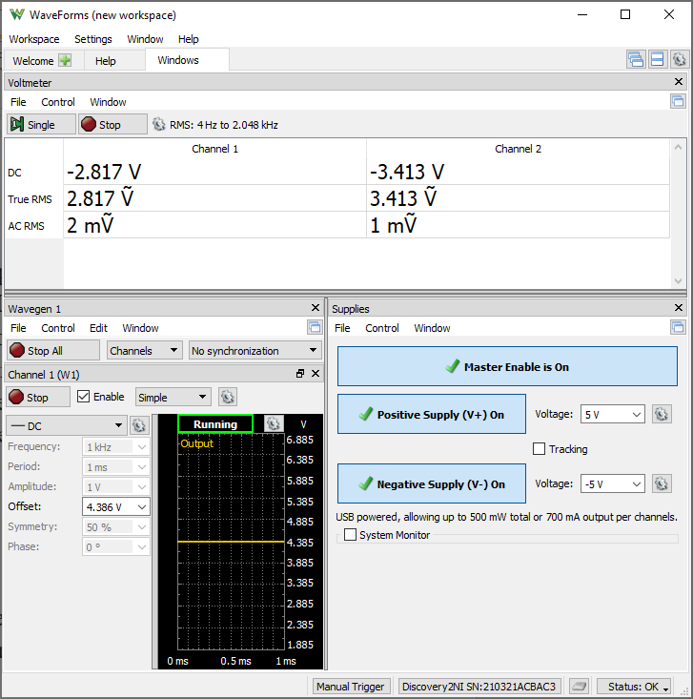
W1 Setting | VEE | Channel 1 (VB) | Channel 2 (VE) | IR1 | IR2 | IB1 = IR1 - IR2 | IE1 | IC2 = IC1 = IE1 - IB1
Volts | Volts | Volts | Volts | Amps | Amps | Amps | Amps | Amps
4.386 | -5 | -2.811 | -3.413 | 3.66015625E-05 | 3.8003472222E-05 | -1.4019097222E-06 | 0.00019689826303 | 0.00019830017275

Step 1.19
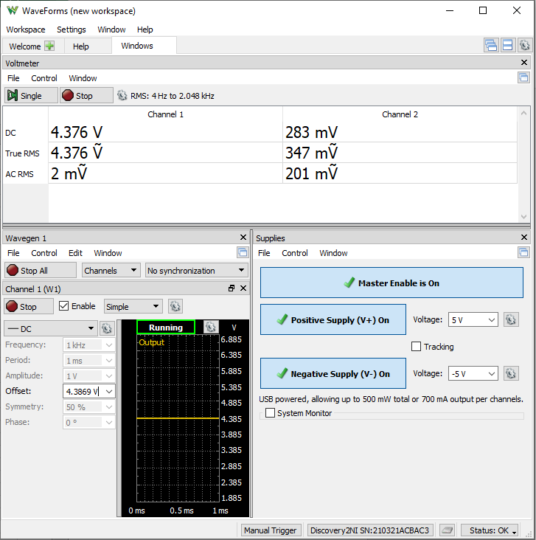
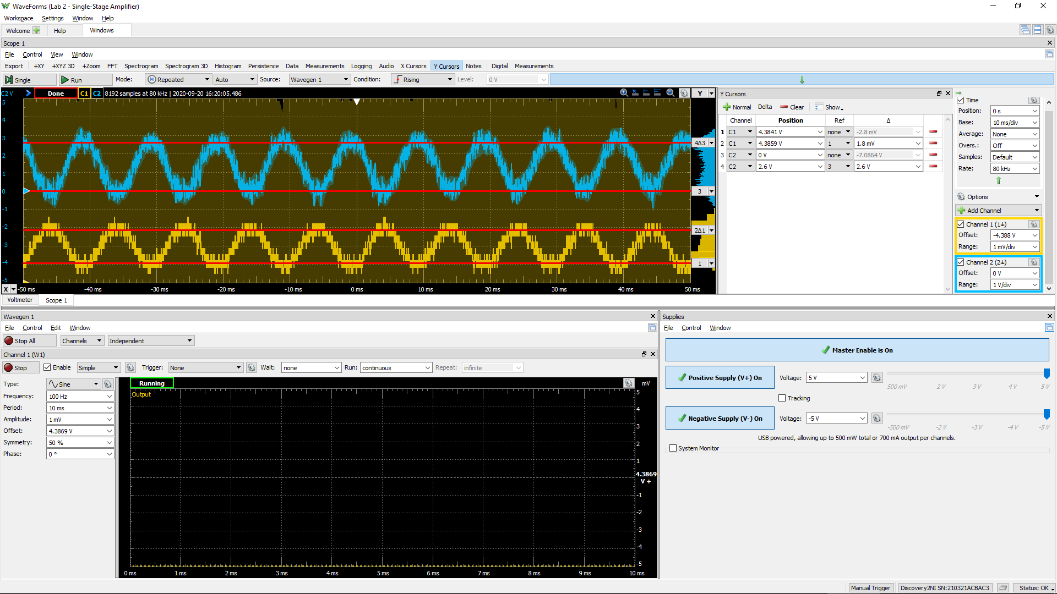
DC1 (V) | DC2 (V) | Gain Av (dB)
1.97E-03 | 2.87E+00 | 63.3

Step 2.8
Finding Vcm,min
W1 Setting | Channel 1 (VE) | Channel 2 (Vo) | IC2 = (5 V - Vo)/8.25 kohm
Volts | Volts | Volts | Amps
-2 | -2.5842 | 4.2234 | 9.41E-05
-2.1 | -2.684 | 4.2248 | 9.40E-05
-2.2 | -2.7842 | 4.2252 | 9.39E-05
-2.3 | -2.8834 | 4.226 | 9.38E-05
-2.4 | -2.9836 | 4.226 | 9.38E-05
-2.5 | -3.083 | 4.226 | 9.38E-05
-2.6 | -3.1838 | 4.2262 | 9.38E-05
-2.7 | -3.2844 | 4.2278 | 9.36E-05
-2.8 | -3.3822 | 4.2434 | 9.17E-05
-2.9 | -3.4828 | 4.2838 | 8.68E-05
-3 | -3.58 | 4.3322 | 8.09E-05

Step 2.7
Finding Vcm,max
W1 Setting | Channel 1 (VE) | Channel 2 (Vo) | IC2 = (5 V - Vo)/8.25 kohm
Volts | Volts | Volts | Amps
4 | 3.4176 | 4.201 | 9.68E-05
4.1 | 3.517 | 4.2002 | 9.69E-05
4.2 | 3.617 | 4.2 | 9.70E-05
4.3 | 3.716 | 4.2 | 9.70E-05
4.4 | 3.816 | 4.2 | 9.70E-05
4.5 | 3.917 | 4.202 | 9.67E-05
4.6 | 4.017 | 4.2054 | 9.63E-05
4.7 | 4.117 | 4.215 | 9.52E-05
4.8 | 4.213 | 4.2664 | 8.89E-05
4.9 | 4.3096 | 4.343 | 7.96E-05
5 | 4.405 | 4.428 | 6.93E-05

Step 3.2
Simulated IC vs. Vid Characteristics
V1 | IC1 | IC2
Volts | Amps | Amps
-0.25 | 8.1957274012E-07 | 0.00048789898254
-0.249 | 8.4050781579E-07 | 0.00048787669548
-0.248 | 8.6253192166E-07 | 0.00048785329112
-0.247 | 8.8484940552E-07 | 0.00048782958389
-0.246 | 9.0774474137E-07 | 0.00048780528442
-0.245 | 9.3123283063E-07 | 0.00048778037752
-0.244 | 9.5532895883E-07 | 0.00048775484937
-0.243 | 9.8004879412E-07 | 0.00048772868145
-0.242 | 1.0054084092E-06 | 0.00048770185726
-0.241 | 1.031424288E-06 | 0.00048767436001
-0.24 | 1.0581133398E-06 | 0.0004876461746
-0.239 | 1.0854929022E-06 | 0.00048761728387
-0.238 | 1.1135807458E-06 | 0.0004875876665
-0.237 | 1.1423951165E-06 | 0.00048755731015
-0.236 | 1.1719546944E-06 | 0.00048752618864
-0.235 | 1.2022786617E-06 | 0.00048749428694
-0.234 | 1.2333866863E-06 | 0.00048746158781
-0.233 | 1.2652989161E-06 | 0.00048742806594
-0.232 | 1.2980360282E-06 | 0.00048739370186
-0.231 | 1.3316192218E-06 | 0.00048735847418
-0.23 | 1.3660702303E-06 | 0.00048732235993
-0.229 | 1.4014113705E-06 | 0.00048728534593
-0.228 | 1.437665446E-06 | 0.00048724739202
-0.227 | 1.4748559314E-06 | 0.00048720848837
-0.226 | 1.5130068418E-06 | 0.00048716860674
-0.225 | 1.5521428243E-06 | 0.00048712772556
-0.224 | 1.5922891048E-06 | 0.00048708580949
-0.223 | 1.6334716182E-06 | 0.00048704284379
-0.222 | 1.6757168937E-06 | 0.0004869987952
-0.221 | 1.7190521588E-06 | 0.00048695363791
-0.22 | 1.7635053178E-06 | 0.00048690734257
-0.219 | 1.8091050027E-06 | 0.00048685988606
-0.218 | 1.8558805144E-06 | 0.00048681123039
-0.217 | 1.9038619461E-06 | 0.00048676135131
-0.216 | 1.953080113E-06 | 0.00048671021511
-0.215 | 2.0035666357E-06 | 0.00048665779476
-0.214 | 2.0553538971E-06 | 0.00048660405493
-0.213 | 2.1084750896E-06 | 0.00048654895911
-0.212 | 2.1629642613E-06 | 0.00048649247556
-0.211 | 2.218856296E-06 | 0.00048643456823
-0.21 | 2.2761869709E-06 | 0.00048637520421
-0.209 | 2.3349929252E-06 | 0.00048631434353
-0.208 | 2.3953117403E-06 | 0.00048625195112
-0.207 | 2.4571819082E-06 | 0.00048618798546
-0.206 | 2.5206429182E-06 | 0.00048612241201
-0.205 | 2.585735168E-06 | 0.00048605518101
-0.204 | 2.6525001435E-06 | 0.00048598625806
-0.203 | 2.7209803148E-06 | 0.00048591559901
-0.202 | 2.791219222E-06 | 0.00048584316202
-0.201 | 2.8632614701E-06 | 0.00048576890194
-0.2 | 2.9371527319E-06 | 0.00048569276694
-0.199 | 3.0129398882E-06 | 0.00048561471744
-0.198 | 3.0906709125E-06 | 0.00048553470237
-0.197 | 3.1703949626E-06 | 0.00048545267042
-0.196 | 3.2521624422E-06 | 0.00048536857482
-0.195 | 3.3360249703E-06 | 0.00048528236408
-0.194 | 3.4220353968E-06 | 0.00048519398096
-0.193 | 3.5102479159E-06 | 0.00048510337427
-0.192 | 3.6007180184E-06 | 0.00048501048764
-0.191 | 3.6935025576E-06 | 0.00048491526483
-0.19 | 3.7886597497E-06 | 0.00048481764552
-0.189 | 3.8862492535E-06 | 0.00048471757159
-0.188 | 3.9863321593E-06 | 0.00048461498167
-0.187 | 4.0889710538E-06 | 0.00048450981498
-0.186 | 4.1942299653E-06 | 0.00048440200127
-0.185 | 4.3021746121E-06 | 0.0004842914852
-0.184 | 4.4128720702E-06 | 0.00048417818525
-0.183 | 4.5263913153E-06 | 0.00048406204964
-0.182 | 4.6428026366E-06 | 0.00048394298911
-0.181 | 4.7621783452E-06 | 0.00048382094814
-0.18 | 4.8845921901E-06 | 0.00048369584053
-0.179 | 5.0101198885E-06 | 0.0004835675994
-0.178 | 5.1388388156E-06 | 0.00048343614267
-0.177 | 5.2708282414E-06 | 0.00048330139251
-0.176 | 5.4061692629E-06 | 0.0004831632651
-0.175 | 5.5449449476E-06 | 0.00048302168018
-0.174 | 5.6872402998E-06 | 0.00048287655418
-0.173 | 5.8331422634E-06 | 0.00048272779725
-0.172 | 5.982739824E-06 | 0.00048257531874
-0.171 | 6.1361241006E-06 | 0.00048241903068
-0.17 | 6.2933882878E-06 | 0.00048225883997
-0.169 | 6.4546277103E-06 | 0.0004820946492
-0.168 | 6.61993991E-06 | 0.00048192636052
-0.167 | 6.7894247298E-06 | 0.00048175387781
-0.166 | 6.9631842501E-06 | 0.00048157709911
-0.165 | 7.1413227718E-06 | 0.00048139591289
-0.164 | 7.323947222E-06 | 0.00048121022212
-0.163 | 7.511166642E-06 | 0.00048101990731
-0.162 | 7.703092803E-06 | 0.00048082486377
-0.161 | 7.8998399129E-06 | 0.00048062497925
-0.16 | 8.1015245827E-06 | 0.00048042012989
-0.159 | 8.3082662568E-06 | 0.00048021020303
-0.158 | 8.520186827E-06 | 0.00047999507167
-0.157 | 8.7374110369E-06 | 0.00047977461504
-0.156 | 8.9600662769E-06 | 0.00047954870438
-0.155 | 9.1882827158E-06 | 0.00047931720768
-0.154 | 9.4221934575E-06 | 0.00047907999533
-0.153 | 9.6619343442E-06 | 0.00047883692758
-0.152 | 9.9076443296E-06 | 0.00047858787071
-0.151 | 1.0159465233E-05 | 0.00047833268256
-0.15 | 1.0417541758E-05 | 0.00047807121177
-0.149 | 1.0682022026E-05 | 0.00047780331984
-0.148 | 1.0953056854E-05 | 0.00047752884646
-0.147 | 1.1230800632E-05 | 0.00047724764623
-0.146 | 1.1515410708E-05 | 0.00047695955965
-0.145 | 1.1807047665E-05 | 0.00047666442362
-0.144 | 1.2105875482E-05 | 0.00047636207588
-0.143 | 1.2412061427E-05 | 0.00047605234895
-0.142 | 1.2725776126E-05 | 0.00047573507109
-0.141 | 1.3047193723E-05 | 0.00047541007069
-0.14 | 1.3376491793E-05 | 0.00047507717139
-0.139 | 1.3713851386E-05 | 0.00047473619221
-0.138 | 1.4059456974E-05 | 0.00047438694475
-0.137 | 1.441349693E-05 | 0.0004740292477
-0.136 | 1.4776162954E-05 | 0.00047366290655
-0.135 | 1.5147650397E-05 | 0.00047328772339
-0.134 | 1.552815853E-05 | 0.00047290350405
-0.133 | 1.591789004E-05 | 0.00047251004149
-0.132 | 1.6317051612E-05 | 0.00047210713273
-0.131 | 1.672585374E-05 | 0.0004716945717
-0.13 | 1.7144510415E-05 | 0.0004712721403
-0.129 | 1.7573239536E-05 | 0.00047083961933
-0.128 | 1.8012262857E-05 | 0.00047039678658
-0.127 | 1.8461806232E-05 | 0.00046994342217
-0.126 | 1.8922099265E-05 | 0.00046947929914
-0.125 | 1.9393374886E-05 | 0.00046900417335
-0.124 | 1.987587078E-05 | 0.00046851781813
-0.123 | 2.0369828043E-05 | 0.00046801999119
-0.122 | 2.0875491778E-05 | 0.00046751044925
-0.121 | 2.1393110632E-05 | 0.00046698893776
-0.12 | 2.1922937625E-05 | 0.00046645520942
-0.119 | 2.2465229504E-05 | 0.0004659090099
-0.118 | 2.3020246623E-05 | 0.00046535007623
-0.117 | 2.3588253374E-05 | 0.00046477814617
-0.116 | 2.4169517881E-05 | 0.00046419295252
-0.115 | 2.4764312066E-05 | 0.00046359422501
-0.114 | 2.5372911344E-05 | 0.00046298168562
-0.113 | 2.5995595197E-05 | 0.00046235505987
-0.112 | 2.6632646613E-05 | 0.00046171406735
-0.111 | 2.7284351455E-05 | 0.00046105841254
-0.11 | 2.7951000275E-05 | 0.00046038781672
-0.109 | 2.8632886462E-05 | 0.0004597019875
-0.108 | 2.9330306258E-05 | 0.00045900062159
-0.107 | 3.0043560124E-05 | 0.00045828342763
-0.106 | 3.077295068E-05 | 0.00045755009579
-0.105 | 3.1518784719E-05 | 0.00045680032977
-0.104 | 3.2281371151E-05 | 0.00045603381811
-0.103 | 3.3061021861E-05 | 0.00045525024889
-0.102 | 3.3858051563E-05 | 0.00045444930948
-0.101 | 3.467277754E-05 | 0.00045363068489
-0.1 | 3.5505519188E-05 | 0.00045279405408
-0.099 | 3.6356598531E-05 | 0.00045193909883
-0.098 | 3.7226339523E-05 | 0.00045106549701
-0.097 | 3.8115068135E-05 | 0.00045017292616
-0.096 | 3.9023111147E-05 | 0.00044926105198
-0.095 | 3.9950798193E-05 | 0.00044832955463
-0.094 | 4.089845928E-05 | 0.00044737810264
-0.093 | 4.1866425945E-05 | 0.00044640636894
-0.092 | 4.285502993E-05 | 0.00044541401938
-0.091 | 4.3864604279E-05 | 0.00044440072715
-0.09 | 4.4895481519E-05 | 0.00044336615708
-0.089 | 4.5947994549E-05 | 0.00044230997792
-0.088 | 4.7022476283E-05 | 0.00044123186158
-0.087 | 4.8119258658E-05 | 0.00044013147691
-0.086 | 4.9238672846E-05 | 0.00043900849513
-0.085 | 5.0381048138E-05 | 0.00043786258328
-0.084 | 5.1546713709E-05 | 0.00043669342281
-0.083 | 5.273599526E-05 | 0.00043550068408
-0.082 | 5.3949216982E-05 | 0.00043428404677
-0.081 | 5.5186700001E-05 | 0.00043304319047
-0.08 | 5.6448762903E-05 | 0.00043177780233
-0.079 | 5.7735719651E-05 | 0.00043048756475
-0.078 | 5.9047880896E-05 | 0.00042917216925
-0.077 | 6.0385554111E-05 | 0.00042783132026
-0.076 | 6.1749039175E-05 | 0.00042646470771
-0.075 | 6.3138633185E-05 | 0.00042507204472
-0.074 | 6.4554625597E-05 | 0.00042365303773
-0.073 | 6.5997301116E-05 | 0.00042220740978
-0.072 | 6.7466936519E-05 | 0.00042073488336
-0.071 | 6.8963801886E-05 | 0.00041923519228
-0.07 | 7.0488159056E-05 | 0.00041770807581
-0.069 | 7.2040262049E-05 | 0.00041615328494
-0.068 | 7.362035459E-05 | 0.00041457057183
-0.067 | 7.522867251E-05 | 0.00041295970737
-0.066 | 7.6865440761E-05 | 0.00041132046778
-0.065 | 7.8530874199E-05 | 0.00040965264283
-0.064 | 8.0225175723E-05 | 0.00040795602957
-0.063 | 8.1948536761E-05 | 0.00040623043867
-0.062 | 8.3701137345E-05 | 0.00040447569795
-0.061 | 8.5483142283E-05 | 0.00040269163739
-0.06 | 8.729470476E-05 | 0.00040087811005
-0.059 | 8.9135962863E-05 | 0.0003990349788
-0.058 | 9.100704084E-05 | 0.00039716212551
-0.057 | 9.29080459E-05 | 0.00039525944013
-0.056 | 9.4839070624E-05 | 0.00039332683456
-0.055 | 9.6800190506E-05 | 0.00039136423499
-0.054 | 9.8791464724E-05 | 0.0003893715881
-0.053 | 0.00010081293277 | 0.00038734885063
-0.052 | 0.00010286461821 | 0.00038529600684
-0.051 | 0.00010494652485 | 0.0003832130563
-0.05 | 0.00010705863593 | 0.00038110001379
-0.049 | 0.00010920091512 | 0.00037895691566
-0.048 | 0.00011137330756 | 0.00037678382539
-0.047 | 0.00011357573576 | 0.0003745808215
-0.046 | 0.00011580809971 | 0.00037234800075
-0.045 | 0.00011807028053 | 0.00037008549157
-0.044 | 0.00012036213409 | 0.00036779343546
-0.043 | 0.0001226834955 | 0.00036547200297
-0.042 | 0.00012503417509 | 0.00036312138294
-0.041 | 0.00012741396016 | 0.00036074178914
-0.04 | 0.00012982261497 | 0.00035833346166
-0.039 | 0.00013225987845 | 0.00035589666127
-0.038 | 0.00013472546668 | 0.00035343167743
-0.037 | 0.00013721906954 | 0.00035093881994
-0.036 | 0.00013974035278 | 0.00034841842539
-0.035 | 0.00014228895614 | 0.00034587085283
-0.034 | 0.00014486449742 | 0.00034329649399
-0.033 | 0.00014746656431 | 0.00034069575393
-0.032 | 0.00015009472255 | 0.00033806907072
-0.031 | 0.0001527485129 | 0.00033541690797
-0.03 | 0.00015542744898 | 0.00033273974981
-0.029 | 0.00015813102269 | 0.00033003811258
-0.028 | 0.00016085869532 | 0.0003273125253
-0.027 | 0.00016360990942 | 0.00032456355403
-0.026 | 0.00016638408082 | 0.00032179178432
-0.025 | 0.00016918060074 | 0.00031899782486
-0.024 | 0.00017199883593 | 0.00031618230681
-0.023 | 0.00017483813042 | 0.00031334588604
-0.022 | 0.00017769780848 | 0.00031048924681
-0.021 | 0.00018057716723 | 0.0003076130873
-0.02 | 0.00018347548366 | 0.00030471813069
-0.019 | 0.0001863920135 | 0.00030180512142
-0.018 | 0.00018932599391 | 0.00029887482785
-0.017 | 0.00019227663683 | 0.00029592802974
-0.016 | 0.00019524314271 | 0.00029296553809
-0.015 | 0.00019822468406 | 0.00028998816769
-0.014 | 0.00020122042366 | 0.00028699676282
-0.013 | 0.00020422950481 | 0.00028399218016
-0.012 | 0.00020725105359 | 0.00028097529028
-0.011 | 0.00021028418402 | 0.00027794698239
-0.01 | 0.00021332799382 | 0.00027490815623
-0.009 | 0.00021638156945 | 0.0002718597265
-0.008 | 0.000219443982 | 0.00026880261515
-0.007 | 0.00022251429915 | 0.0002657377639
-0.006 | 0.00022559157032 | 0.00026266611341
-0.005 | 0.00022867484277 | 0.00025958862046
-0.004 | 0.00023176315381 | 0.00025650624594
-0.003 | 0.00023485553382 | 0.00025341995605
-0.002 | 0.00023795101148 | 0.00025033072542
-0.001 | 0.00024104860808 | 0.0002472395285
2.1510571102E-16 | 0.00024414734234 | 0.00024414734234
0.001 | 0.00024724623383 | 0.00024105514757
0.002 | 0.00025034430228 | 0.00023796392503
0.003 | 0.00025344056761 | 0.00023487465349
0.004 | 0.00025653404689 | 0.00023178830461
0.005 | 0.00025962377287 | 0.00022870585761
0.006 | 0.00026270877347 | 0.00022562827809
0.007 | 0.00026578808199 | 0.00022255652537
0.008 | 0.00026886074129 | 0.00021949155389
0.009 | 0.00027192580905 | 0.00021643431501
0.01 | 0.00027498233896 | 0.00021338573977
0.011 | 0.00027802940717 | 0.00021034675822
0.012 | 0.00028106609195 | 0.00020731828143
0.013 | 0.00028409149537 | 0.00020430121617
0.014 | 0.00028710472118 | 0.00020129644655
0.015 | 0.00029010489434 | 0.00019830484684
0.016 | 0.00029309115619 | 0.00019532727613
0.017 | 0.00029606266101 | 0.00019236457441
0.018 | 0.00029901858171 | 0.00018941756515
0.019 | 0.00030195811085 | 0.0001864870544
0.02 | 0.00030488045922 | 0.00018357382863
0.021 | 0.00030778485729 | 0.00018067865441
0.022 | 0.00031067055558 | 0.00017780227755
0.023 | 0.00031353682707 | 0.00017494542346
0.024 | 0.00031638296434 | 0.00017210879458
0.025 | 0.00031920828296 | 0.00016929307147
0.026 | 0.00032201212362 | 0.00016649891307
0.027 | 0.0003247938459 | 0.00016372695278
0.028 | 0.00032755284037 | 0.00016097780401
0.029 | 0.00033028851228 | 0.00015825205144
0.03 | 0.00033300029484 | 0.00015555025731
0.031 | 0.00033568764991 | 0.00015287296117
0.032 | 0.00033835006087 | 0.00015022067613
0.033 | 0.00034098703618 | 0.00014759389041
0.034 | 0.00034359810634 | 0.00014499306585
0.035 | 0.00034618283222 | 0.00014241864142
0.036 | 0.00034874080044 | 0.00013987103109
0.037 | 0.00035127161587 | 0.00013735062084
0.038 | 0.00035377491527 | 0.00013485777434
0.039 | 0.00035625035636 | 0.00013239282871
0.04 | 0.0003586976227 | 0.00012995609664
0.041 | 0.0003611164232 | 0.00012754786645
0.042 | 0.00036350649177 | 0.00012516840225
0.043 | 0.00036586758407 | 0.00012281794313
0.044 | 0.00036819948716 | 0.00012049670687
0.045 | 0.0003705019959 | 0.00011820488243
0.046 | 0.00037277494393 | 0.00011594264083
0.047 | 0.00037501818395 | 0.00011371012894
0.048 | 0.00037723158459 | 0.00011150746927
0.049 | 0.00037941504001 | 0.00010933476352
0.05 | 0.00038156847384 | 0.00010719209424
0.051 | 0.00038369181714 | 0.00010507951895
0.052 | 0.00038578503255 | 0.00010299707787
0.053 | 0.00038784809457 | 0.00010094478893
0.054 | 0.00038988100373 | 9.8922652382E-05
0.055 | 0.0003918837743 | 9.6930648202E-05
0.056 | 0.000393856444 | 9.4968739294E-05
0.057 | 0.00039579906213 | 9.3036869226E-05
0.058 | 0.00039771170573 | 9.1134966886E-05
0.059 | 0.00039959445567 | 8.9262941456E-05
0.06 | 0.00040144741404 | 8.7420687374E-05
0.061 | 0.00040327070464 | 8.5608084988E-05
0.062 | 0.00040506445968 | 8.3824998324E-05
0.063 | 0.0004068288199 | 8.2071276014E-05
0.064 | 0.00040856395747 | 8.0346756723E-05
0.065 | 0.00041027003979 | 7.8651262368E-05
0.066 | 0.00041194725619 | 7.6984604343E-05
0.067 | 0.00041359580248 | 7.5346581121E-05
0.068 | 0.00041521589194 | 7.3736981064E-05
0.069 | 0.00041680774627 | 7.2155581369E-05
0.07 | 0.00041837159372 | 7.0602148468E-05
0.071 | 0.00041990768203 | 6.9076440937E-05
0.072 | 0.00042141625137 | 6.7578205526E-05
0.073 | 0.00042289756326 | 6.6107182731E-05
0.074 | 0.00042435189235 | 6.466310588E-05
0.075 | 0.00042577949926 | 6.3245697539E-05
0.076 | 0.00042718067394 | 6.185467691E-05
0.077 | 0.00042855569987 | 6.048975484E-05
0.078 | 0.00042990486855 | 5.9150636652E-05
0.079 | 0.00043122848631 | 5.7837023587E-05
0.08 | 0.00043252684895 | 5.6548609792E-05
0.081 | 0.000433800264 | 5.5285085993E-05
0.082 | 0.00043504905047 | 5.4046139839E-05
0.083 | 0.00043627351584 | 5.2831453424E-05
0.084 | 0.0004374739853 | 5.1640707513E-05
0.085 | 0.00043865077759 | 5.0473578938E-05
0.086 | 0.00043980421559 | 4.9329742371E-05
0.087 | 0.00044093463317 | 4.8208871489E-05
0.088 | 0.00044204234775 | 4.7110636263E-05
0.089 | 0.00044312769598 | 4.6034707371E-05
0.09 | 0.00044419100661 | 4.4980753527E-05
0.091 | 0.00044523260779 | 4.3948442684E-05
0.092 | 0.00044625283695 | 4.2937443353E-05
0.093 | 0.00044725201947 | 4.1947422782E-05
0.094 | 0.00044823048667 | 4.0978049082E-05
0.095 | 0.00044918857291 | 4.0028991183E-05
0.096 | 0.00045012660794 | 3.9099918394E-05
0.097 | 0.00045104492098 | 3.8190501061E-05
0.098 | 0.00045194383714 | 3.7300410515E-05
0.099 | 0.00045282368442 | 3.642931991E-05
0.1 | 0.0004536847891 | 3.5576904035E-05
0.101 | 0.00045452747381 | 3.4742839371E-05
0.102 | 0.0004553520598 | 3.3926804482E-05
0.103 | 0.00045615886496 | 3.312848005E-05
0.104 | 0.00045694820904 | 3.2347549434E-05
0.105 | 0.00045772039873 | 3.1583697749E-05
0.106 | 0.00045847575242 | 3.0836613805E-05
0.107 | 0.00045921457929 | 3.0105988728E-05
0.108 | 0.00045993717955 | 2.939151616E-05
0.109 | 0.00046064386175 | 2.869289354E-05
0.11 | 0.00046133492234 | 2.800982084E-05
0.111 | 0.00046201065768 | 2.7342001482E-05
0.112 | 0.00046267136512 | 2.6689142462E-05
0.113 | 0.0004633173288 | 2.605095359E-05
0.114 | 0.00046394883739 | 2.5427148634E-05
0.115 | 0.0004645661751 | 2.4817444841E-05
0.116 | 0.00046516962092 | 2.4221562965E-05
0.117 | 0.00046575945298 | 2.3639227561E-05
0.118 | 0.00046633593552 | 2.3070166357E-05
0.119 | 0.00046689934223 | 2.2514111513E-05
0.12 | 0.00046744993977 | 2.197079878E-05
0.121 | 0.00046798798529 | 2.1439967434E-05
0.122 | 0.00046851373343 | 2.092136066E-05
0.123 | 0.00046902744576 | 2.0414725977E-05
0.124 | 0.00046952935905 | 1.9919813819E-05
0.125 | 0.0004700197336 | 1.9436379706E-05
0.126 | 0.00047049879918 | 1.8964181867E-05
0.127 | 0.00047096679976 | 1.8502983186E-05
0.128 | 0.00047142396315 | 1.8052549913E-05
0.129 | 0.000471870527 | 1.7612652713E-05
0.13 | 0.00047230671001 | 1.7183065516E-05
0.131 | 0.00047273273945 | 1.6763566576E-05
0.132 | 0.00047314883337 | 1.6353937767E-05
0.133 | 0.00047355520327 | 1.5953964676E-05
0.134 | 0.00047395206187 | 1.5563436864E-05
0.135 | 0.00047433961624 | 1.5182147583E-05
0.136 | 0.00047471807318 | 1.4809893934E-05
0.137 | 0.00047508762559 | 1.4446476402E-05
0.138 | 0.00047544847526 | 1.4091699552E-05
0.139 | 0.00047580081189 | 1.3745371328E-05
0.14 | 0.00047614482634 | 1.3407303433E-05
0.141 | 0.00047648070093 | 1.3077311002E-05
0.142 | 0.00047680861775 | 1.2755212808E-05
0.143 | 0.00047712875722 | 1.2440831173E-05
0.144 | 0.00047744129186 | 1.213399176E-05
0.145 | 0.00047774639523 | 1.1834523772E-05
0.146 | 0.00047804423311 | 1.1542259679E-05
0.147 | 0.0004783349691 | 1.1257035319E-05
0.148 | 0.00047861877077 | 1.0978689998E-05
0.149 | 0.0004788957869 | 1.0707065902E-05
0.15 | 0.00047916618138 | 1.0442008852E-05
0.151 | 0.00047943009607 | 1.0183367397E-05
0.152 | 0.0004796876921 | 9.9309937009E-06
0.153 | 0.00047993910517 | 9.6847425033E-06
0.154 | 0.00048018447974 | 9.4444718262E-06
0.155 | 0.00048042395775 | 9.2100426734E-06
0.156 | 0.00048065767329 | 8.9813188779E-06
0.157 | 0.00048088576228 | 8.7581672499E-06
0.158 | 0.00048110835437 | 8.540457368E-06
0.159 | 0.00048132557844 | 8.3280616392E-06
0.16 | 0.00048153755511 | 8.1208551161E-06
0.161 | 0.00048174441474 | 7.9187157651E-06
0.162 | 0.0004819462717 | 7.7215239715E-06
0.163 | 0.00048214325036 | 7.5291629336E-06
0.164 | 0.00048233545502 | 7.3415181241E-06
0.165 | 0.00048252300613 | 7.158477827E-06
0.166 | 0.00048270600805 | 6.9799325795E-06
0.167 | 0.00048288457822 | 6.8057755696E-06
0.168 | 0.00048305880915 | 6.6359020334E-06
0.169 | 0.00048322881048 | 6.4702098204E-06
0.17 | 0.00048339468172 | 6.3085989552E-06
0.171 | 0.00048355651932 | 6.1509716975E-06
0.172 | 0.0004837144209 | 5.9972325526E-06
0.173 | 0.00048386848013 | 5.8472881601E-06
0.174 | 0.00048401878766 | 5.7010472658E-06
0.175 | 0.0004841654365 | 5.558420743E-06
0.176 | 0.00048430851289 | 5.4193214392E-06
0.177 | 0.00048444810043 | 5.2836641899E-06
0.178 | 0.00048458428192 | 5.151365797E-06
0.179 | 0.00048471713846 | 5.0223449797E-06
0.18 | 0.00048484675888 | 4.8965224289E-06
0.181 | 0.00048497320895 | 4.7738204483E-06
0.182 | 0.00048509657513 | 4.6541633709E-06
0.183 | 0.0004852169263 | 4.5374771294E-06
0.184 | 0.00048533433572 | 4.4236894396E-06
0.185 | 0.00048544887409 | 4.3127296976E-06
0.186 | 0.00048556061231 | 4.2045289645E-06
0.187 | 0.00048566961879 | 4.0990199093E-06
0.188 | 0.0004857759562 | 3.9961367464E-06
0.189 | 0.00048587969555 | 3.8958153201E-06
0.19 | 0.00048598089224 | 3.7979928715E-06
0.191 | 0.00048607961428 | 3.702608238E-06
0.192 | 0.00048617591897 | 3.6096016294E-06
0.193 | 0.00048626986471 | 3.5189146939E-06
0.194 | 0.00048636150859 | 3.4304904648E-06
0.195 | 0.00048645090802 | 3.3442733436E-06
0.196 | 0.0004865381199 | 3.2602090598E-06
0.197 | 0.00048662318954 | 3.1782445693E-06
0.198 | 0.00048670617854 | 3.0983282129E-06
0.199 | 0.0004867871346 | 3.0204094836E-06
0.2 | 0.0004868661053 | 2.9444390937E-06
0.201 | 0.00048694313852 | 2.8703689474E-06
0.202 | 0.00048701828666 | 2.7981521404E-06
0.203 | 0.00048709159036 | 2.7277428327E-06
0.204 | 0.00048716309974 | 2.659096352E-06
0.205 | 0.0004872328544 | 2.5921690503E-06
0.206 | 0.00048730089877 | 2.5269183668E-06
0.207 | 0.00048736727622 | 2.46330277E-06
0.208 | 0.00048743202506 | 2.4012817146E-06
0.209 | 0.00048749518671 | 2.3408156582E-06
0.21 | 0.00048755680176 | 2.2818660195E-06
0.211 | 0.00048761690303 | 2.2243951219E-06
0.212 | 0.00048767553509 | 2.1683662657E-06
0.213 | 0.00048773273074 | 2.113743593E-06
0.214 | 0.00048778852234 | 2.0604921258E-06
0.215 | 0.00048784294809 | 2.0085777654E-06
0.216 | 0.00048789604007 | 1.9579672264E-06
0.217 | 0.00048794782942 | 1.9086280356E-06
0.218 | 0.00048799835435 | 1.8605285466E-06
0.219 | 0.00048804763878 | 1.8136378339E-06
0.22 | 0.00048809571796 | 1.7679257784E-06
0.221 | 0.00048814261684 | 1.7233629637E-06
0.222 | 0.00048818836846 | 1.6799207281E-06
0.223 | 0.00048823300173 | 1.6375711016E-06
0.224 | 0.00048827654118 | 1.5962867896E-06
0.225 | 0.00048831901528 | 1.5560411852E-06
0.226 | 0.00048836044836 | 1.5168083256E-06
0.227 | 0.00048840087165 | 1.4785629114E-06
0.228 | 0.00048844030471 | 1.441280234E-06
0.229 | 0.00048847877587 | 1.4049362218E-06
0.23 | 0.00048851630504 | 1.3695073757E-06
0.231 | 0.0004885529154 | 1.3349707881E-06
0.232 | 0.00048858863459 | 1.3013041331E-06
0.233 | 0.00048862347714 | 1.2684856026E-06
0.234 | 0.0004886574701 | 1.2364939619E-06
0.235 | 0.00048869063453 | 1.2053084901E-06
0.236 | 0.0004887229878 | 1.1749089712E-06
0.237 | 0.00048875455424 | 1.1452757089E-06
0.238 | 0.00048878534807 | 1.1163894731E-06
0.239 | 0.00048881539416 | 1.0882315367E-06
0.24 | 0.00048884470722 | 1.0607836158E-06
0.241 | 0.00048887330423 | 1.0340278878E-06
0.242 | 0.00048890120532 | 1.0079469805E-06
0.243 | 0.00048892842574 | 9.8252394465E-07
0.244 | 0.00048895498502 | 9.5774226305E-07
0.245 | 0.00048898089762 | 9.335858191E-07
0.246 | 0.00048900618186 | 9.1003890823E-07
0.247 | 0.0004890308511 | 8.8708620605E-07
0.248 | 0.00048905491701 | 8.6471276983E-07
0.249 | 0.00048907840091 | 8.4290404745E-07
0.25 | 0.00048910131349 | 8.2164583093E-07

Step 3.5
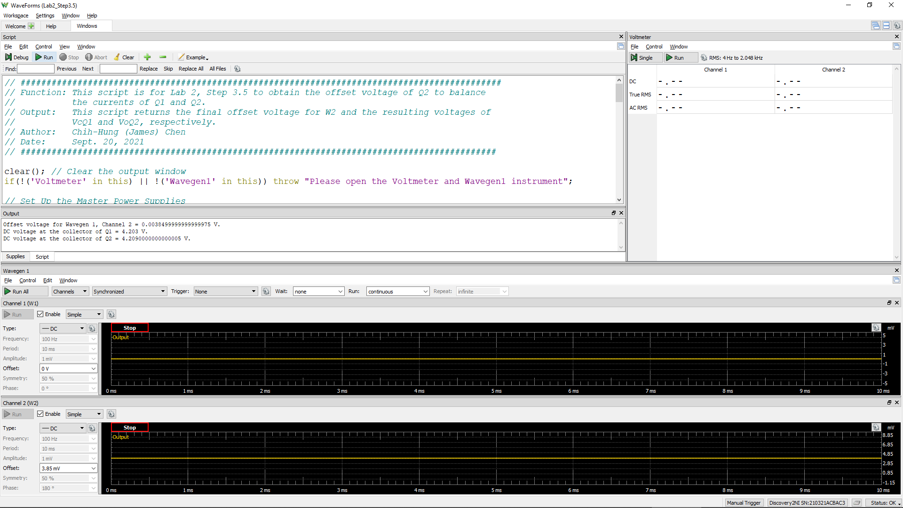
W2Offset | VcQ1 | VoQ2 (= VC2)
Volt | Volt | Volt
9.80E-03 | 4.201 | 4.202

Step 3.6
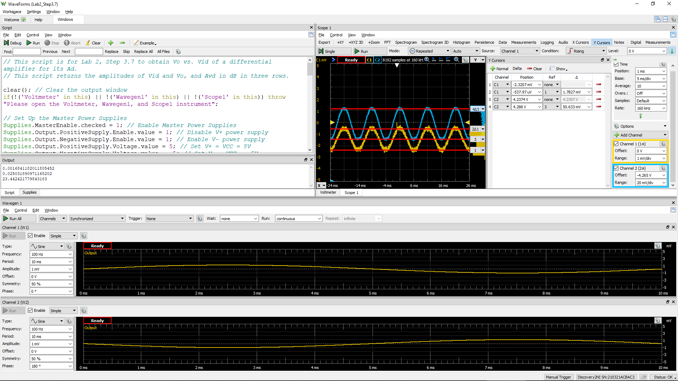
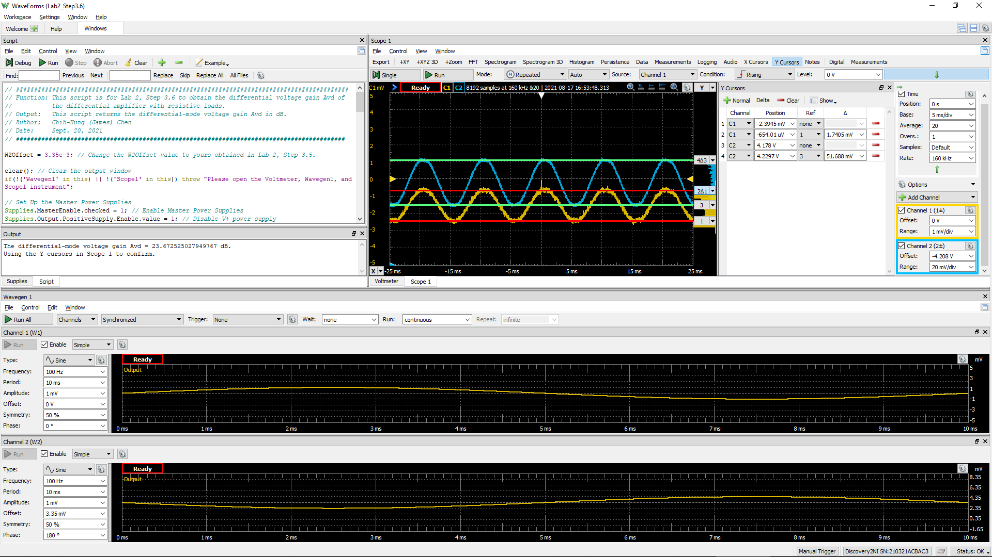
DC1 (V) = Vid | DC2 (V) = Vo(Peak2Peak) | Differential Voltage Gain Av (dB)
5.33E-03 | 5.66E-02 | 14.5

